ASSOCIATE
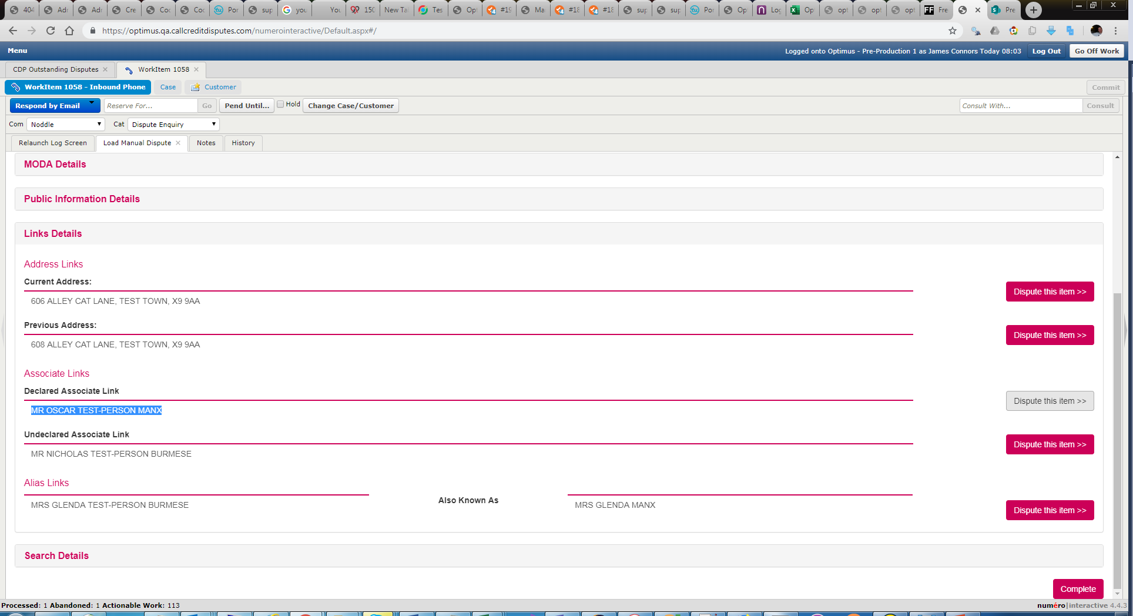
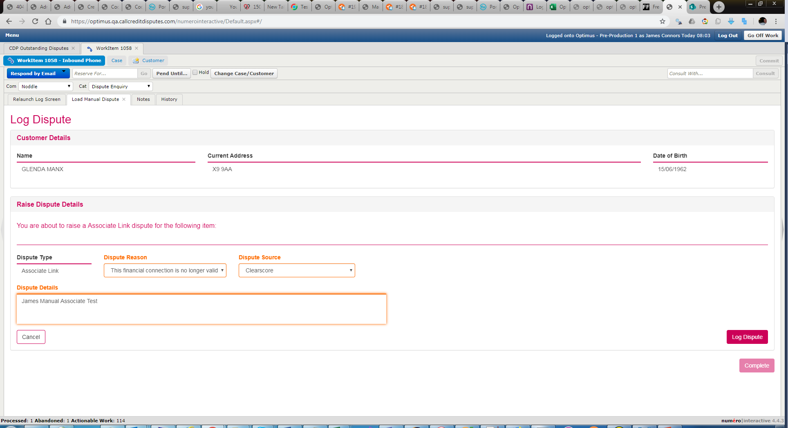
Manual Dispute
 | glenda manx | Prior to submission | After submission
 | MR OSCAR TEST-PERSON MANX disputed Account should still be active Clearscore James Manual Associate Test Created case 2016 Dispute Case ID 36 |  | "exceptions": [
 |  | NONE | {
 |  |  | "Id": 1,
 |  |  | "dateCreated": "2019-05-16T10:00:01.3759591Z",
 |  |  | "exceptionText": "ERROR in [CCRMain].[DataAmendInterface].[up_Association_AddNoticeOfDispute]; @LoadId=NULL @AssocId=22878399,Num 50000,Lvl 16,State 1,Line 36,Msg: There is no record with this AssocId",
 |  |  | "systemName": "DataAmendInterface.up_Association_AddNoticeOfDispute"
 |  |  | }
 |  |  | ],

ALIAS
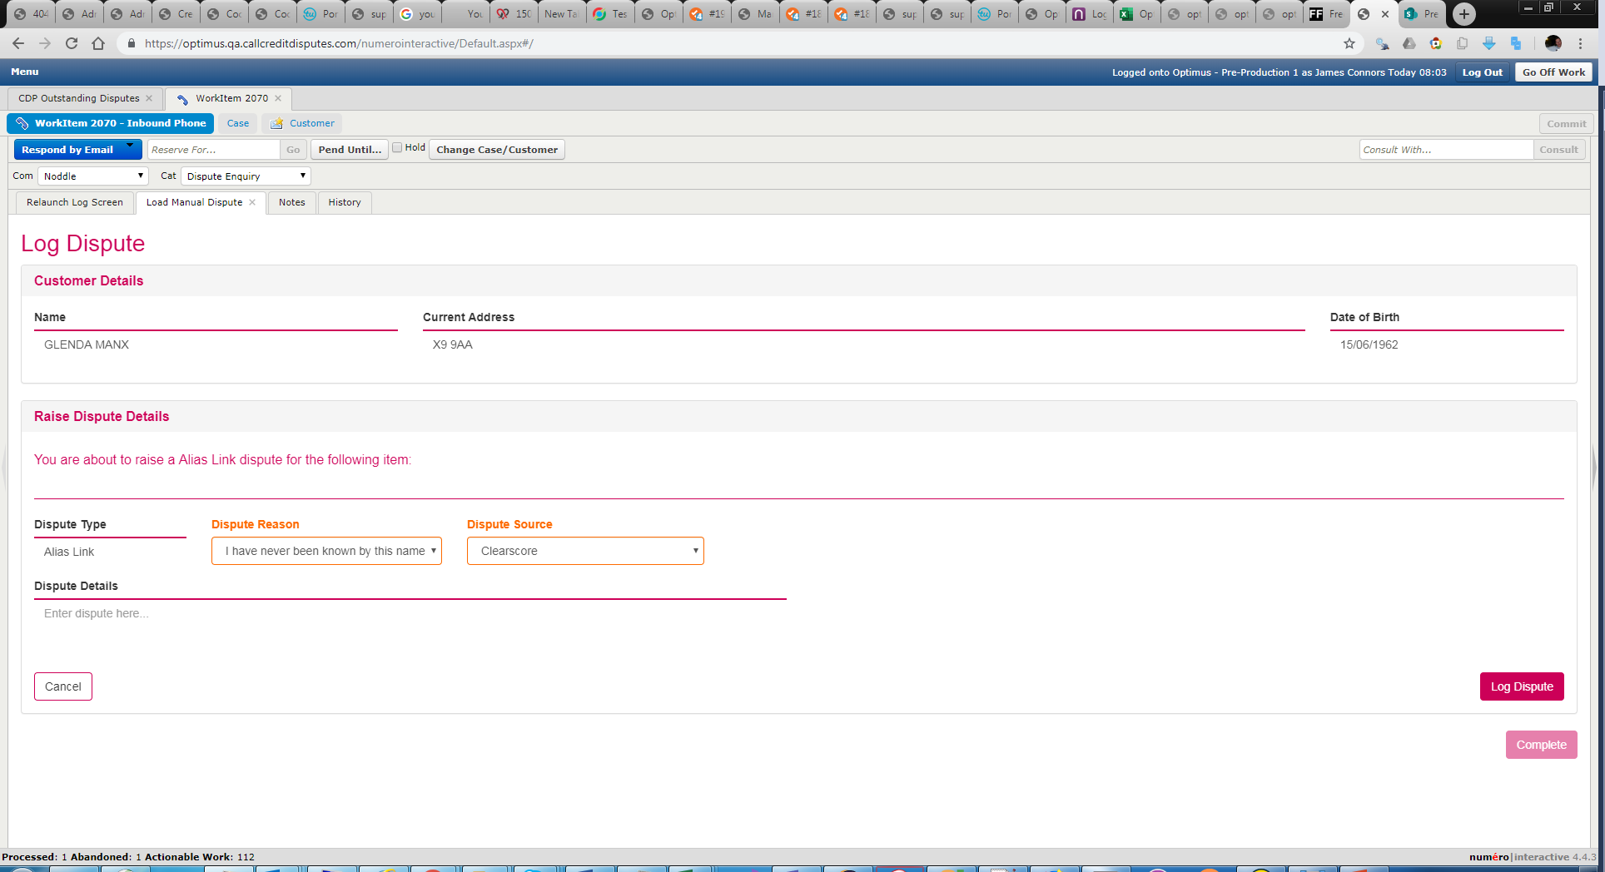
Manual Dispute
 | glenda manx | Prior to submission | After submission
 | 1st Share disputed Account should still be active Clearscore James Manual Alias Test Created case 1016 Dispute Case ID 35 | "exceptions": [ | "exceptions": [
 |  | { | {
 |  | "Id": 1, | "Id": 1,
 |  | "dateCreated": "2019-05-16T09:49:24.7602302Z", | "dateCreated": "2019-05-16T09:49:24.7602302Z",
 |  | "exceptionText": "Supplier Allocation Error - Member Port Id 66: 9999-01 Test (No Matching Datascope)", | "exceptionText": "Supplier Allocation Error - Member Port Id 66: 9999-01 Test (No Matching Datascope)",
 |  | "systemName": "Post Dispute" | "systemName": "Post Dispute"
 |  | } | },
 |  | ], | {
 |  |  | "Id": 2,
 |  |  | "dateCreated": "2019-05-16T09:50:01.1565918Z",
 |  |  | "exceptionText": "Error converting data type nvarchar to smalldatetime.",
 |  |  | "systemName": "DataAmendInterface.up_PersonAlias_AddNoticeOfDispute"
 |  |  | }
 |  |  | ],

